Sheet1
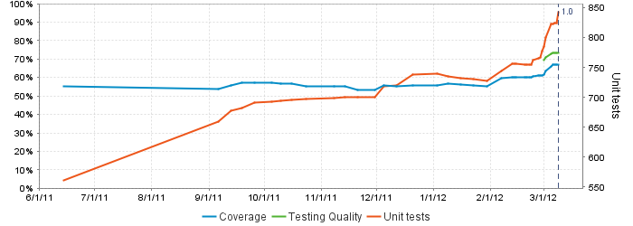
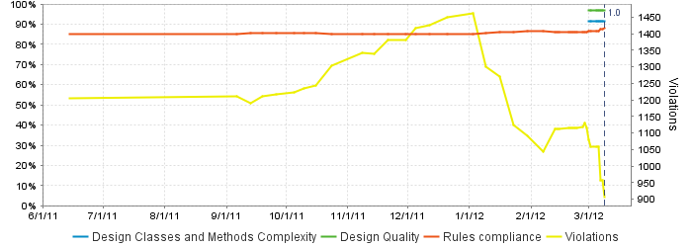
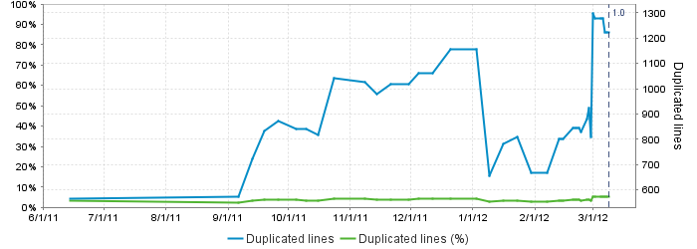
Code Test Coverage By Package
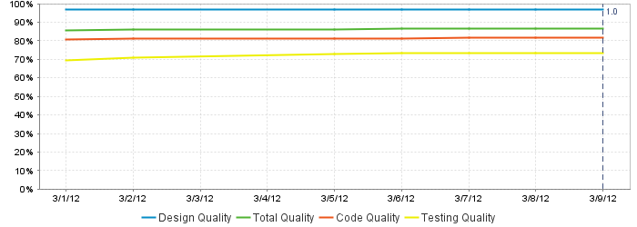
MAP StampStorage Programming Metrics 03/12/2012
StampStorageWeb | 0.00%
MesParser | 17.10%
MesProxy | 41.20%
StampStorageDomain | 81.60%
StampStorageService | 92.10%
Device | 88.30%
Total Code Coverage | 66.90%

